Deliverance II Parameters
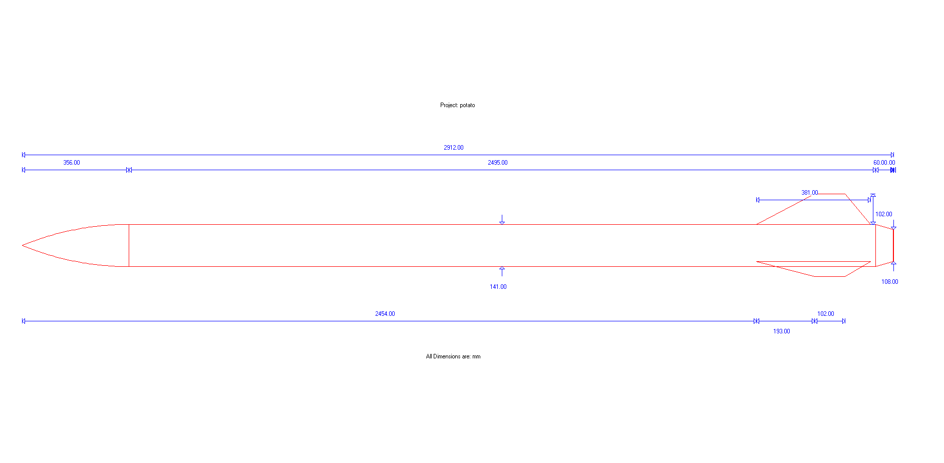
Parameter | Abbreviation | Value (imperial) | Unit | Value (metric) | Unit | Comments
Nose length | L_n | 16.31 | in | 0.414 | m
Nose base diameter | D | 5.5 | in | 0.140 | m
Fin root chord | C_r | 15 | in | 0.381 | m
Fin tip chord | C_t | 4 | in | 0.102 | m
Fin semispan | S | 5 | in | 0.127 | m
Length of fin mid-chord line | L_f | 5.44 | in | 0.138 | m
Fin root leading edge to fin tip leading edge distance | X_r | 7.64 | in | 0.194 | m
Nose tip to fin chord leading edge | X_b | 97.2 | in | 2.470 | m | 97.24
Rocket total length | L_r | 114.6 | in | 2.911 | m
Nozzle length | L_z | 3 | in | 0.076 | m
Number of Fins | N | 3 |  | 3.000
Nose cone coefficient | Cn_n | 0.5 |  | 0.500 |  | Half-power nose cone.
Maximum Thickness of each fin at root | t | 0.25 | in | 0.006350
Distance from fin leading edge to maximum thickness | X_tc | 0.25 | in | 0.006350
length of reduction at the back |  | 2.36 |  | 0.060
diameter at end |  | 4.24 |  | 0.108
NOZZLE DIAMETER |  | 3.23 |  | 0.082
Width of fin |  | 0.15 |  | 0.003810
Fin front length |  | 8.62 |  | 0.219
There's probably some values that aren't included here, it's not perfect but whatever

Deliverance II Stability
Written by Fedor Sobolev and Ali Razavi

Subsonic values are based on this document: https://www.apogeerockets.com/downloads/PDFs/barrowman_report.pdf
 |  |  |  |  |  |  |  | http://www2.estesrockets.com/pdf/TIR-33_Center_of_Pressure.pdf
Subsonic values
Item: | x's | coefficient | x*coefficient | Correction factor
Nose | 0.207137 | 2 | 0.414274
Center | 0 | 0 | 0
boattail | 2.880 | -0.81139834711 | -2.3364828602
fins | 0.14536821053 | 4.607834561 | N/A | 1.3548387097
interference | 2.615 | 6.2428726311 | 16.326761363
Total | 1.9383169412 | 7.431474284 | 14.404552503

Final Cp position from nose tip (m) in subsonic flight |  |  | 1.9383169412 | 76.311690598

Supersonic values are based on the equations found in these documents:
 | https://ntrs.nasa.gov/archive/nasa/casi.ntrs.nasa.gov/20010047838.pdf
 | http://openrocket.sourceforge.net/techdoc.pdf

Supersonic
Item: | x's | coefficient | x*coefficient
b | 0 | 14.276 | 0
b(t) | 2.470 | 88.160773763 | 217.74794247
t(b) | 2.512 | 23.25895493 | 58.424075852
Total | 2.1971471998 | 125.69572869 | 276.17201832

Closest Cp position to nose tip (m) in supersonic flight (at mach 2) |  |  |  | 2.1971471998

Caculation of the tail coefficient for supersonic values from Mach 1 to Mach 1.6
midchord sweep angle | AR | N | Ar (m^2) | Af (m^2) |  |  |  |  | Calculations for b(t) and t(b) coefficients
0.463647609 | 0.84472049689 | 3 | 0.0008732 | 0.024633 | mach number | beta | Cna(T) |  | Kt(b) | Kb(t) | t
0.463647609 | 0.84472049689 | 3 | 0.0008732 | 0.024633 | 1 | 0 | 56.147154091 |  | 0.41424993495 | 1.5701735055 | 2.4468085106
0.463647609 | 0.84472049689 | 3 | 0.0008732 | 0.024633 | 1.01 | 0.14177446879 | 56.084381756
0.463647609 | 0.84472049689 | 3 | 0.0008732 | 0.024633 | 1.02 | 0.20099751242 | 56.021268625
0.463647609 | 0.84472049689 | 3 | 0.0008732 | 0.024633 | 1.03 | 0.24677925359 | 55.957820695 |  | 5th order polynomial fit from the open rocket documentation model
0.463647609 | 0.84472049689 | 3 | 0.0008732 | 0.024633 | 1.04 | 0.28565713714 | 55.894043936
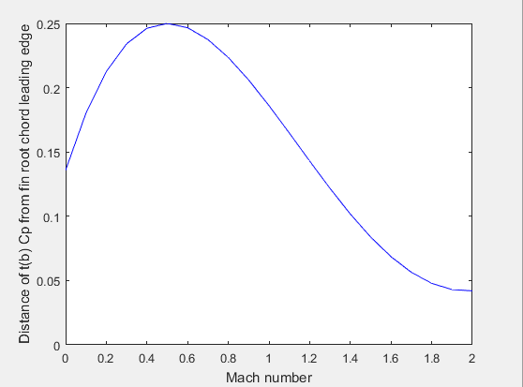
0.463647609 | 0.84472049689 | 3 | 0.0008732 | 0.024633 | 1.05 | 0.32015621187 | 55.829944287
0.463647609 | 0.84472049689 | 3 | 0.0008732 | 0.024633 | 1.06 | 0.35156791662 | 55.765527657
0.463647609 | 0.84472049689 | 3 | 0.0008732 | 0.024633 | 1.07 | 0.38065732621 | 55.700799921
0.463647609 | 0.84472049689 | 3 | 0.0008732 | 0.024633 | 1.08 | 0.40792156109 | 55.635766922
0.463647609 | 0.84472049689 | 3 | 0.0008732 | 0.024633 | 1.09 | 0.43370496884 | 55.57043447
0.463647609 | 0.84472049689 | 3 | 0.0008732 | 0.024633 | 1.1 | 0.4582575695 | 55.504808339
0.463647609 | 0.84472049689 | 3 | 0.0008732 | 0.024633 | 1.11 | 0.48176757882 | 55.438894268
0.463647609 | 0.84472049689 | 3 | 0.0008732 | 0.024633 | 1.12 | 0.50438080852 | 55.372697959
0.463647609 | 0.84472049689 | 3 | 0.0008732 | 0.024633 | 1.13 | 0.52621288468 | 55.306225078
0.463647609 | 0.84472049689 | 3 | 0.0008732 | 0.024633 | 1.14 | 0.54735728734 | 55.239481254
0.463647609 | 0.84472049689 | 3 | 0.0008732 | 0.024633 | 1.15 | 0.56789083458 | 55.172472075
0.463647609 | 0.84472049689 | 3 | 0.0008732 | 0.024633 | 1.16 | 0.58787753827 | 55.105203092
0.463647609 | 0.84472049689 | 3 | 0.0008732 | 0.024633 | 1.17 | 0.60737138556 | 55.037679816
0.463647609 | 0.84472049689 | 3 | 0.0008732 | 0.024633 | 1.18 | 0.62641839053 | 54.969907717
0.463647609 | 0.84472049689 | 3 | 0.0008732 | 0.024633 | 1.19 | 0.64505813691 | 54.901892226
0.463647609 | 0.84472049689 | 3 | 0.0008732 | 0.024633 | 1.2 | 0.66332495807 | 54.83363873
0.463647609 | 0.84472049689 | 3 | 0.0008732 | 0.024633 | 1.21 | 0.68124885321 | 54.765152576
0.463647609 | 0.84472049689 | 3 | 0.0008732 | 0.024633 | 1.22 | 0.69885620839 | 54.696439068
0.463647609 | 0.84472049689 | 3 | 0.0008732 | 0.024633 | 1.23 | 0.71617037079 | 54.627503468
0.463647609 | 0.84472049689 | 3 | 0.0008732 | 0.024633 | 1.24 | 0.73321211119 | 54.558350993
0.463647609 | 0.84472049689 | 3 | 0.0008732 | 0.024633 | 1.25 | 0.75 | 54.488986819
0.463647609 | 0.84472049689 | 3 | 0.0008732 | 0.024633 | 1.26 | 0.76655071587 | 54.419416076
0.463647609 | 0.84472049689 | 3 | 0.0008732 | 0.024633 | 1.27 | 0.78287930104 | 54.34964385
0.463647609 | 0.84472049689 | 3 | 0.0008732 | 0.024633 | 1.28 | 0.79899937422 | 54.279675183
0.463647609 | 0.84472049689 | 3 | 0.0008732 | 0.024633 | 1.29 | 0.81492330928 | 54.209515071
0.463647609 | 0.84472049689 | 3 | 0.0008732 | 0.024633 | 1.3 | 0.83066238629 | 54.139168464 |  | Note that the lowest value was taken from the graph above (at Mach 2),
0.463647609 | 0.84472049689 | 3 | 0.0008732 | 0.024633 | 1.31 | 0.84622691992 | 54.068640271
0.463647609 | 0.84472049689 | 3 | 0.0008732 | 0.024633 | 1.32 | 0.86162636914 | 53.997935349
0.463647609 | 0.84472049689 | 3 | 0.0008732 | 0.024633 | 1.33 | 0.87686943156 | 53.927058513 |  | The matlab code calculating the above curve can be found in this file:
0.463647609 | 0.84472049689 | 3 | 0.0008732 | 0.024633 | 1.34 | 0.89196412484 | 53.85601453 |  | (you have to download the excel file to see the attached file)
0.463647609 | 0.84472049689 | 3 | 0.0008732 | 0.024633 | 1.35 | 0.90691785736 | 53.784808123
0.463647609 | 0.84472049689 | 3 | 0.0008732 | 0.024633 | 1.36 | 0.92173748974 | 53.713443967
0.463647609 | 0.84472049689 | 3 | 0.0008732 | 0.024633 | 1.37 | 0.93642938869 | 53.641926688
0.463647609 | 0.84472049689 | 3 | 0.0008732 | 0.024633 | 1.38 | 0.95099947424 | 53.57026087
0.463647609 | 0.84472049689 | 3 | 0.0008732 | 0.024633 | 1.39 | 0.96545326143 | 53.498451046
0.463647609 | 0.84472049689 | 3 | 0.0008732 | 0.024633 | 1.4 | 0.97979589711 | 53.426501705
0.463647609 | 0.84472049689 | 3 | 0.0008732 | 0.024633 | 1.41 | 0.99403219264 | 53.354417287
0.463647609 | 0.84472049689 | 3 | 0.0008732 | 0.024633 | 1.42 | 1.0081666529 | 53.282202187
0.463647609 | 0.84472049689 | 3 | 0.0008732 | 0.024633 | 1.43 | 1.0222035022 | 53.20986075
0.463647609 | 0.84472049689 | 3 | 0.0008732 | 0.024633 | 1.44 | 1.0361467078 | 53.137397276
0.463647609 | 0.84472049689 | 3 | 0.0008732 | 0.024633 | 1.45 | 1.05 | 53.064816019
0.463647609 | 0.84472049689 | 3 | 0.0008732 | 0.024633 | 1.46 | 1.0637668918 | 52.992121183
0.463647609 | 0.84472049689 | 3 | 0.0008732 | 0.024633 | 1.47 | 1.0774506949 | 52.919316927
0.463647609 | 0.84472049689 | 3 | 0.0008732 | 0.024633 | 1.48 | 1.0910545358 | 52.846407363
0.463647609 | 0.84472049689 | 3 | 0.0008732 | 0.024633 | 1.49 | 1.1045813687 | 52.773396556
0.463647609 | 0.84472049689 | 3 | 0.0008732 | 0.024633 | 1.5 | 1.1180339887 | 52.700288524
0.463647609 | 0.84472049689 | 3 | 0.0008732 | 0.024633 | 1.51 | 1.1314150432 | 52.627087237
0.463647609 | 0.84472049689 | 3 | 0.0008732 | 0.024633 | 1.52 | 1.1447270417 | 52.553796621
0.463647609 | 0.84472049689 | 3 | 0.0008732 | 0.024633 | 1.53 | 1.1579723658 | 52.480420553
0.463647609 | 0.84472049689 | 3 | 0.0008732 | 0.024633 | 1.54 | 1.1711532778 | 52.406962866
0.463647609 | 0.84472049689 | 3 | 0.0008732 | 0.024633 | 1.55 | 1.1842719282 | 52.333427346
0.463647609 | 0.84472049689 | 3 | 0.0008732 | 0.024633 | 1.56 | 1.1973303638 | 52.259817731
0.463647609 | 0.84472049689 | 3 | 0.0008732 | 0.024633 | 1.57 | 1.2103305334 | 52.186137716
0.463647609 | 0.84472049689 | 3 | 0.0008732 | 0.024633 | 1.58 | 1.2232742947 | 52.112390948
0.463647609 | 0.84472049689 | 3 | 0.0008732 | 0.024633 | 1.59 | 1.2361634196 | 52.03858103
0.463647609 | 0.84472049689 | 3 | 0.0008732 | 0.024633 | 1.6 | 1.2489995997 | 51.964711519

Defiance II Parameters
Parameter | Abbreviation | Value (imperial) | Unit | Value (metric) | Unit | Comments
Nose length | L_n | 21.59 | in | 0.548 | m
Nose base diameter | D | 5.5 | in | 0.140 | m
Fin root chord | C_r | 5.8 | in | 0.147 | m | <6
Fin tip chord | C_t | 2 | in | 0.051 | m | <6
Fin semispan | S | 4.75 | in | 0.121 | m | <6 - minimize
Length of fin mid-chord line | L_f | 4.83 | in | 0.123 | m
sweep distnce | X_r | 2.75 | in | 0.070 | m | Fin root leading edge to fin tip leading edge distance<Cr-Ct
Nose tip to fin chord leading edge | X_b | 96.4 | in | 2.448 | m | 96.39
Rocket total length | L_r | 104.55 | in | 2.656 | m
Nozzle length | L_z | 3 | in | 0.076 | m
Number of Fins | N | 3 |  | 3.000
Nose cone coefficient | Cn_n | 0.5 |  | 0.500 |  | Half-power nose cone. (should be changed to HAACK)
Maximum Thickness of each fin at root | t | 0.25 | in | 0.006350
Distance from fin leading edge to maximum thickness | X_tc | 0.25 | in | 0.006350
length of reduction at the back |  | 2.36 |  | 0.060
diameter at end |  | 4.24 |  | 0.108
NOZZLE DIAMETER |  | 3.23 |  | 0.082
Width of fin |  | 0.15 |  | 0.003810
Fin front length |  | 8.62 |  | 0.219
There's probably some values that aren't included here, it's not perfect but whatever
Solid Fin

 |  |  |  | C_r/S | 1.2210526316 | minimize
 |  |  |  | C_r/C_t | 2.9 | ~2.5
 |  | 2.0071730132 |  | X_r/(C_r-Ct) | 0.72368421053 | <1
 |  |  |  | C_r - C_t | 3.8

 | x | y
 | 0 | 0
 | 2.75 | 4.75
 | 4.75 | 4.75
 | 5.8 | 0
 | 0 | 0

param | param | calib
Cr | inc | inc
Ct | inc | inc

